Dala Sales & Deliveries
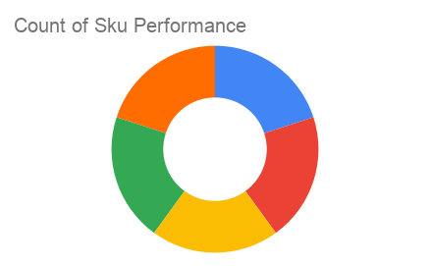
Total Invoices Delivered | 16.00 | Sku Performance | Units | Value
Unique Locations Supplied | 16.00 | 350ml Orisirisi Wallnut with Ginger Drink (12x) | 3.25 | 70,200.00
Total Value of orders | 457,800.00 | 500ml Orisirisi Tiger Nut Drink (12x) | 4.50 | 124,200.00
 |  | 500ml Orisirisi Zobo with Date Drink (12x) | 6.00 | 144,000.00
 |  | 350ml Orisirisi Wallnut Drink (12x) | 2.75 | 59,400.00
 |  | 500ml Orisirisi Zobo Drink (12x) | 2.50 | 60,000.00
 |  |  | 0.00 | 0.00
 |  |  | 0.00 | 0.00
 |  |  | 0.00 | 0.00
 |  |  | 0.00 | 0.00
 |  |  | 0.00 | 0.00
 |  |  | 0.00 | 0.00
 |  |  | 0.00 | 0.00

